FTE_UG_UNI_3YP_INST_FIG
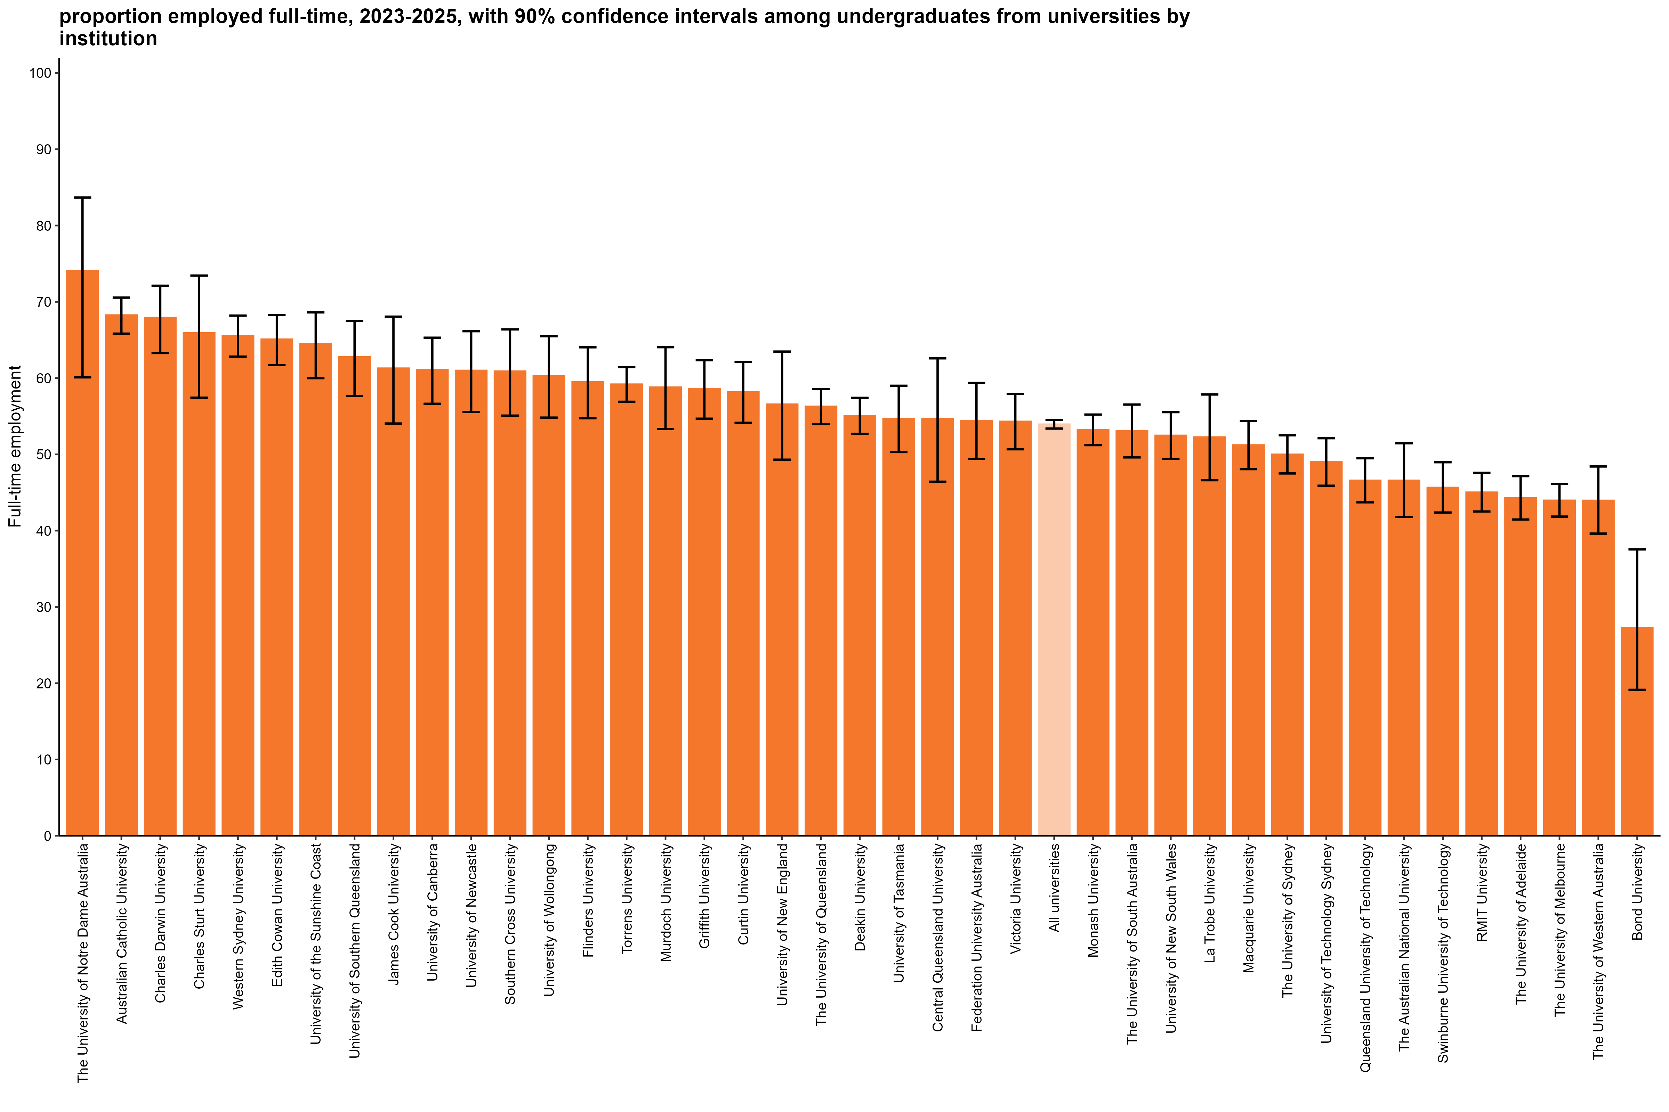
Proportion employed full-time, 2023-2025, with 90% confidence intervals among undergraduates from universities by institution
Back to INDEX

 |  | Full-time employment rate
 | The University of Notre Dame Australia | 74.1 (60.1, 83.7)
 | Australian Catholic University | 68.3 (65.8, 70.6)
 | Charles Darwin University | 67.9 (63.3, 72.1)
 | Charles Sturt University | 65.9 (57.4, 73.4)
 | Western Sydney University | 65.6 (62.8, 68.2)
 | Edith Cowan University | 65.1 (61.7, 68.3)
 | University of the Sunshine Coast | 64.5 (60.0, 68.6)
 | University of Southern Queensland | 62.8 (57.7, 67.5)
 | James Cook University | 61.3 (54.0, 68.1)
 | University of Canberra | 61.1 (56.6, 65.3)
 | University of Newcastle | 61.0 (55.6, 66.1)
 | Southern Cross University | 60.9 (55.1, 66.4)
 | University of Wollongong | 60.3 (54.8, 65.5)
 | Flinders University | 59.5 (54.7, 64.0)
 | Torrens University | 59.2 (56.9, 61.4)
 | Murdoch University | 58.8 (53.3, 64.1)
 | Griffith University | 58.6 (54.7, 62.3)
 | Curtin University | 58.2 (54.1, 62.1)
 | University of New England | 56.6 (49.3, 63.5)
 | The University of Queensland | 56.3 (54.0, 58.6)
 | Deakin University | 55.1 (52.7, 57.4)
 | University of Tasmania | 54.7 (50.3, 59.0)
 | Central Queensland University | 54.7 (46.4, 62.6)
 | Federation University Australia | 54.4 (49.4, 59.4)
 | Victoria University | 54.3 (50.7, 57.9)
 | All universities | 53.9 (53.4, 54.5)
 | Monash University | 53.2 (51.2, 55.2)
 | The University of South Australia | 53.1 (49.6, 56.5)
 | University of New South Wales | 52.5 (49.4, 55.5)
 | La Trobe University | 52.3 (46.6, 57.8)
 | Macquarie University | 51.2 (48.1, 54.4)
 | The University of Sydney | 50.0 (47.5, 52.5)
 | University of Technology Sydney | 49.0 (45.9, 52.1)
 | Queensland University of Technology | 46.6 (43.7, 49.5)
 | The Australian National University | 46.6 (41.8, 51.5)
 | Swinburne University of Technology | 45.7 (42.4, 49.0)
 | RMIT University | 45.0 (42.5, 47.6)
 | The University of Adelaide | 44.3 (41.5, 47.1)
 | The University of Melbourne | 44.0 (41.8, 46.1)
 | The University of Western Australia | 44.0 (39.6, 48.4)
 | Bond University | 27.3 (19.1, 37.5)
 | Avondale University | n/a
 | University of Divinity | n/a

Column variables:
AVAILFT
FULLEMP
YEAR

Column filters:
AVAILFT =1

Column notes:
The Agresti-Coull method is used to calculate 90% confidence intervals for proportions.
Estimates and confidence intervals (CIs) may become unreliable for very small sample sizes and proportions close to 0% or 100%.
CIs are not displayed when estimates are 0% or 100% or fall outside the CI range. Exercise caution when reporting and comparing proportions in these cases.
Bootstrapping on the median is used to estimate 90% confidence intervals for median salary.
Data for all columns is filtered to: ANALYSIS = 1, Undergraduate: LEVEL = 1, University: HEPTYPE = 1, e942 = 1

Row variables:
E306

FTE_PGC_UNI_3YP_INST_FIG
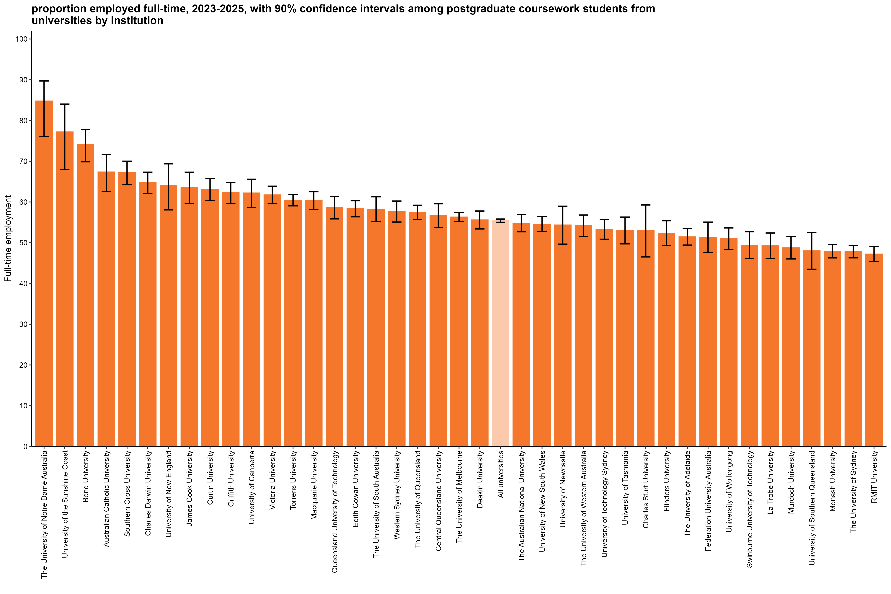
Proportion employed full-time, 2023-2025, with 90% confidence intervals among postgraduate coursework students from universities by institution
Back to INDEX

 |  | Full-time employment rate
 | The University of Notre Dame Australia | 84.8 (76.0, 89.7)
 | University of the Sunshine Coast | 77.2 (67.9, 84.0)
 | Bond University | 74.1 (69.8, 77.8)
 | Australian Catholic University | 67.4 (62.6, 71.7)
 | Southern Cross University | 67.2 (64.2, 70.0)
 | Charles Darwin University | 64.8 (62.1, 67.3)
 | University of New England | 64.0 (58.1, 69.3)
 | James Cook University | 63.6 (59.6, 67.3)
 | Curtin University | 63.1 (60.3, 65.8)
 | Griffith University | 62.3 (59.6, 64.8)
 | University of Canberra | 62.2 (58.7, 65.6)
 | Victoria University | 61.7 (59.6, 63.9)
 | Torrens University | 60.4 (59.0, 61.8)
 | Macquarie University | 60.4 (58.2, 62.5)
 | Queensland University of Technology | 58.6 (55.8, 61.3)
 | Edith Cowan University | 58.3 (56.4, 60.3)
 | The University of South Australia | 58.3 (55.2, 61.3)
 | Western Sydney University | 57.7 (55.1, 60.2)
 | The University of Queensland | 57.5 (55.7, 59.2)
 | Central Queensland University | 56.7 (53.7, 59.6)
 | The University of Melbourne | 56.3 (55.2, 57.4)
 | Deakin University | 55.6 (53.4, 57.8)
 | All universities | 55.4 (55.0, 55.8)
 | The Australian National University | 54.8 (52.7, 56.9)
 | University of New South Wales | 54.6 (52.7, 56.4)
 | University of Newcastle | 54.4 (49.7, 59.0)
 | The University of Western Australia | 54.2 (51.5, 56.8)
 | University of Technology Sydney | 53.3 (50.8, 55.7)
 | University of Tasmania | 53.0 (49.7, 56.3)
 | Charles Sturt University | 52.9 (46.5, 59.3)
 | Flinders University | 52.4 (49.3, 55.4)
 | The University of Adelaide | 51.5 (49.4, 53.5)
 | Federation University Australia | 51.4 (47.6, 55.1)
 | University of Wollongong | 51.0 (48.3, 53.6)
 | Swinburne University of Technology | 49.4 (46.1, 52.7)
 | La Trobe University | 49.2 (46.1, 52.4)
 | Murdoch University | 48.8 (46.0, 51.5)
 | University of Southern Queensland | 48.0 (43.5, 52.5)
 | Monash University | 47.9 (46.3, 49.6)
 | The University of Sydney | 47.8 (46.3, 49.3)
 | RMIT University | 47.2 (45.4, 49.1)
 | Avondale University | n/a
 | University of Divinity | n/a

Column variables:
AVAILFT
FULLEMP
YEAR

Column filters:
AVAILFT =1

Column notes:
The Agresti-Coull method is used to calculate 90% confidence intervals for proportions.
Estimates and confidence intervals (CIs) may become unreliable for very small sample sizes and proportions close to 0% or 100%.
CIs are not displayed when estimates are 0% or 100% or fall outside the CI range. Exercise caution when reporting and comparing proportions in these cases.
Bootstrapping on the median is used to estimate 90% confidence intervals for median salary.
Data for all columns is filtered to: ANALYSIS = 1, Postgraduate coursework: LEVEL = 2, University: HEPTYPE = 1, e942 = 1

Row variables:
E306

FTE_PGR_UNI_3YP_INST_FIG
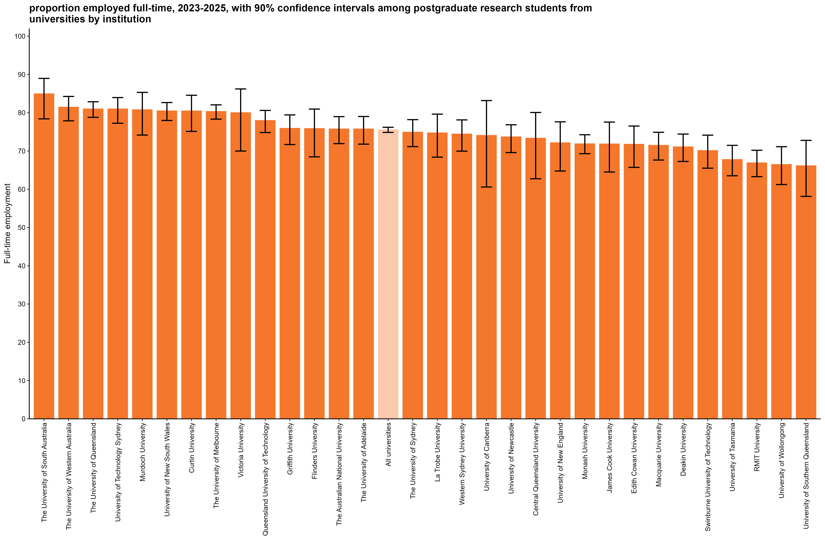
Proportion employed full-time, 2023-2025, with 90% confidence intervals among postgraduate research students from universities by institution
Back to INDEX

 |  | Full-time employment rate
 | The University of South Australia | 84.9 (78.4, 89.0)
 | The University of Western Australia | 81.4 (77.9, 84.3)
 | The University of Queensland | 81.0 (78.8, 82.9)
 | University of Technology Sydney | 81.0 (77.3, 84.0)
 | Murdoch University | 80.8 (74.2, 85.3)
 | University of New South Wales | 80.5 (78.0, 82.7)
 | Curtin University | 80.5 (75.1, 84.6)
 | The University of Melbourne | 80.3 (78.3, 82.1)
 | Victoria University | 80.0 (70.0, 86.2)
 | Queensland University of Technology | 78.0 (74.8, 80.6)
 | Griffith University | 75.9 (71.7, 79.4)
 | Flinders University | 75.9 (68.5, 81.0)
 | The Australian National University | 75.7 (71.9, 79.0)
 | The University of Adelaide | 75.7 (71.8, 79.0)
 | All universities | 75.5 (74.9, 76.2)
 | The University of Sydney | 74.9 (71.1, 78.2)
 | La Trobe University | 74.7 (68.4, 79.6)
 | Western Sydney University | 74.4 (70.0, 78.1)
 | University of Canberra | 74.1 (60.6, 83.2)
 | University of Newcastle | 73.7 (69.6, 76.8)
 | Central Queensland University | 73.3 (62.7, 80.1)
 | University of New England | 72.1 (64.8, 77.6)
 | Monash University | 71.9 (69.3, 74.2)
 | James Cook University | 71.8 (64.5, 77.6)
 | Edith Cowan University | 71.7 (65.7, 76.5)
 | Macquarie University | 71.5 (67.6, 74.9)
 | Deakin University | 71.1 (67.3, 74.4)
 | Swinburne University of Technology | 70.1 (65.5, 74.1)
 | University of Tasmania | 67.8 (63.5, 71.5)
 | RMIT University | 66.9 (63.3, 70.2)
 | University of Wollongong | 66.5 (61.2, 71.1)
 | University of Southern Queensland | 66.1 (58.1, 72.8)
 | Australian Catholic University | n/a
 | Avondale University
 | Bond University | n/a
 | Charles Darwin University | n/a
 | Charles Sturt University | n/a
 | Federation University Australia | n/a
 | Southern Cross University | n/a
 | The University of Notre Dame Australia | n/a
 | Torrens University | n/a
 | University of Divinity
 | University of the Sunshine Coast | n/a

Column variables:
AVAILFT
FULLEMP
YEAR

Column filters:
AVAILFT =1

Column notes:
The Agresti-Coull method is used to calculate 90% confidence intervals for proportions.
Estimates and confidence intervals (CIs) may become unreliable for very small sample sizes and proportions close to 0% or 100%.
CIs are not displayed when estimates are 0% or 100% or fall outside the CI range. Exercise caution when reporting and comparing proportions in these cases.
Bootstrapping on the median is used to estimate 90% confidence intervals for median salary.
Data for all columns is filtered to: ANALYSIS = 1, Postgraduate research: LEVEL = 3, University: HEPTYPE = 1, e942 = 1

Row variables:
E306

FTE_UG_NUHEI_3YP_INST_FIG
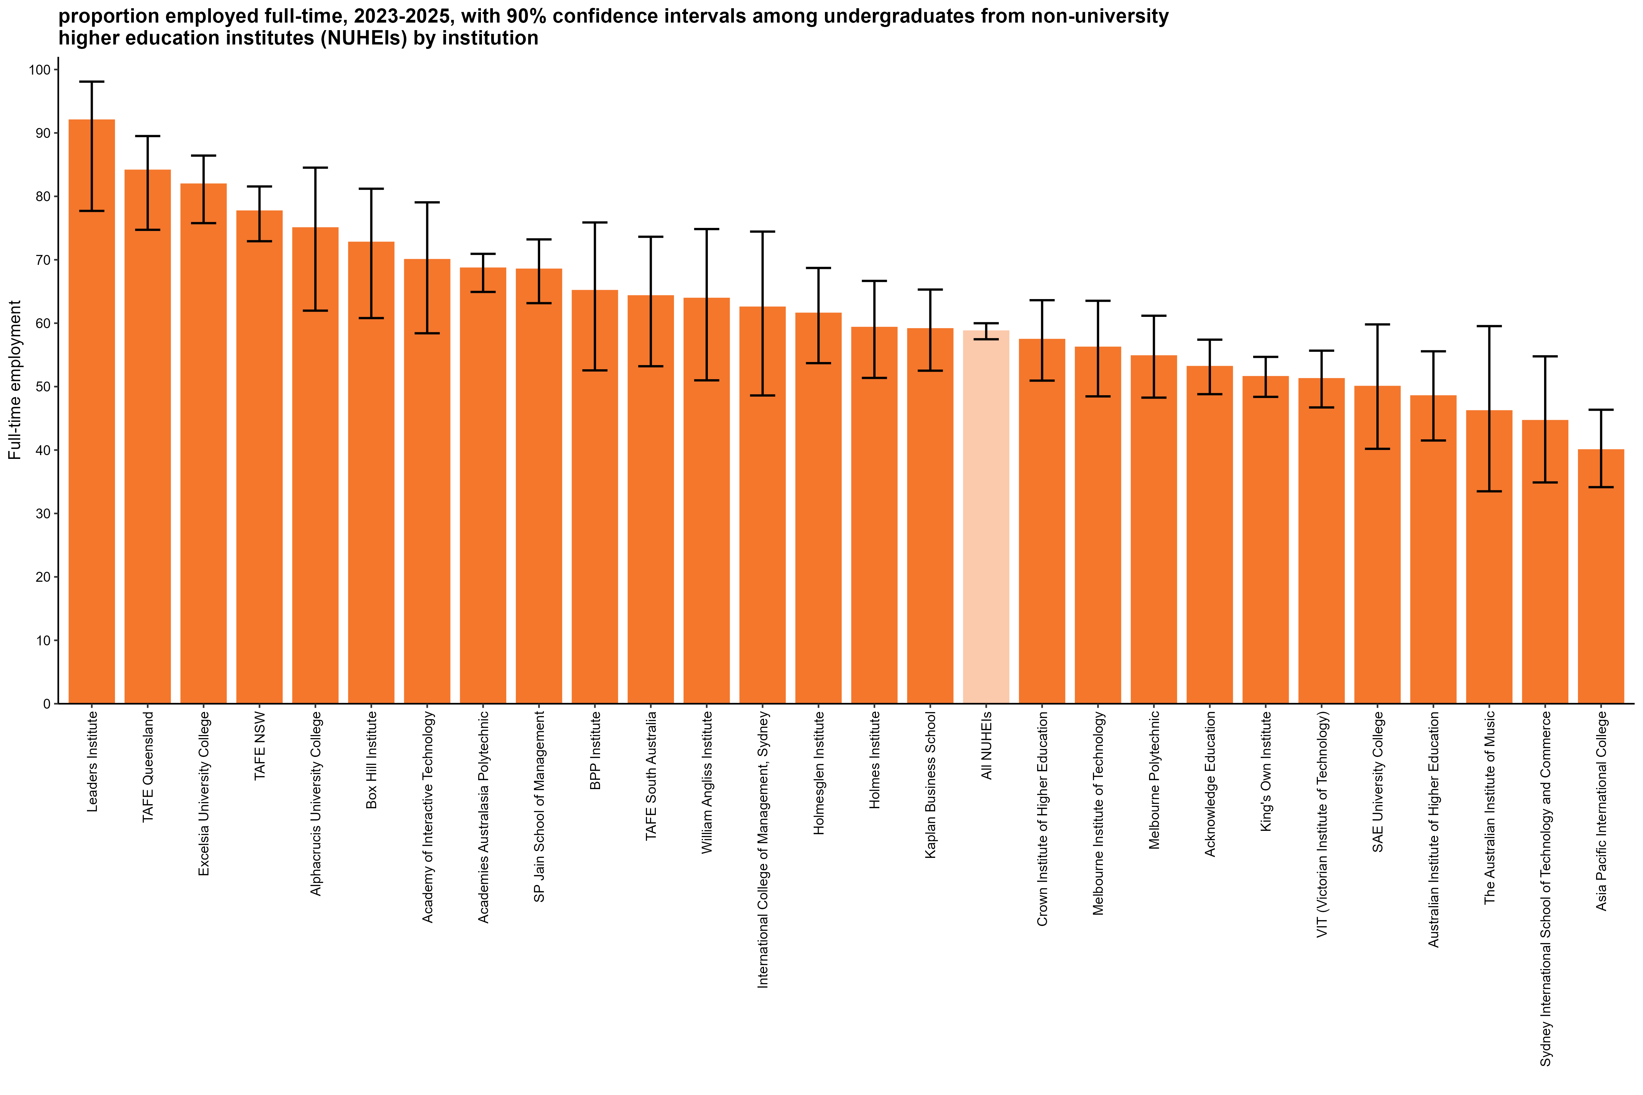
Proportion employed full-time, 2023-2025, with 90% confidence intervals among undergraduates from non-university higher education institutes (NUHEIs) by institution
Back to INDEX

 |  | Full-time employment rate
 | Leaders Institute | 92.0 (77.7, 98.1)
 | TAFE Queensland | 84.1 (74.7, 89.5)
 | Excelsia University College | 81.9 (75.8, 86.4)
 | TAFE NSW | 77.7 (72.9, 81.6)
 | Alphacrucis University College | 75.0 (62.0, 84.5)
 | Box Hill Institute | 72.7 (60.8, 81.2)
 | Academy of Interactive Technology | 70.0 (58.4, 79.1)
 | Academies Australasia Polytechnic | 68.7 (64.9, 70.9)
 | SP Jain School of Management | 68.5 (63.2, 73.2)
 | BPP Institute | 65.1 (52.6, 75.9)
 | TAFE South Australia | 64.3 (53.2, 73.6)
 | William Angliss Institute | 63.9 (51.0, 74.8)
 | International College of Management, Sydney | 62.5 (48.6, 74.4)
 | Holmesglen Institute | 61.5 (53.7, 68.7)
 | Holmes Institute | 59.3 (51.4, 66.7)
 | Kaplan Business School | 59.1 (52.5, 65.3)
 | All NUHEIs | 58.7 (57.5, 60.0)
 | Crown Institute of Higher Education | 57.4 (50.9, 63.6)
 | Melbourne Institute of Technology | 56.2 (48.5, 63.5)
 | Melbourne Polytechnic | 54.8 (48.3, 61.2)
 | Acknowledge Education | 53.1 (48.8, 57.4)
 | King's Own Institute | 51.5 (48.4, 54.7)
 | VIT (Victorian Institute of Technology) | 51.2 (46.7, 55.7)
 | SAE University College | 50.0 (40.2, 59.8)
 | Australian Institute of Higher Education | 48.5 (41.5, 55.6)
 | The Australian Institute of Music | 46.2 (33.5, 59.5)
 | Sydney International School of Technology and Commerce | 44.6 (34.9, 54.8)
 | Asia Pacific International College | 40.0 (34.1, 46.4)
 | ACAP University College | n/a
 | Adelaide Central School of Art
 | Adelaide Institute of Higher Education | n/a
 | Australasian College of Health and Wellness
 | Australian Academy of Music and Performing Arts
 | Australian Chiropractic College
 | Australian College of Christian Studies | n/a
 | Australian College of Nursing
 | Australian Institute of Business
 | Australian Institute of Management Education & Training
 | Australian Institute of Professional Counsellors
 | Australian Performing Arts Conservatory | n/a
 | Australian University College of Divinity | n/a
 | Australian University of Theology* | n/a
 | Campion College Australia
 | Chartered Accountants Australia and New Zealand
 | Chisholm Institute | n/a
 | Christian Heritage College | n/a
 | Collarts (Australian College of the Arts) | n/a
 | ECA College of Health Sciences
 | Eastern College Australia
 | Edvantage Institute Australia
 | Endeavour College of Natural Health | n/a
 | Engineering Institute of Technology | n/a
 | Equals International | n/a
 | Gestalt Therapy Brisbane
 | Governance Institute of Australia
 | HEPCO The Tax Institute Higher Education
 | Health Education & Training Institute
 | Higher Education Leadership Institute
 | ICHM | n/a
 | ISN Psychology
 | Ikon Institute of Australia | n/a
 | Institute of Health & Management
 | Jazz Music Institute
 | Kaplan Professional | n/a
 | LCI Melbourne
 | Leo Cussen Centre for Law
 | Lyons College | n/a
 | Marcus Oldham College | n/a
 | Moore Theological College | n/a
 | Morling College
 | Nan Tien Institute
 | National Art School
 | National Institute of Organisation Dynamics Aust
 | Ozford Institute of Higher Education | n/a
 | Perth Bible College | n/a
 | Photography Studies College (Melbourne) | n/a
 | Polytechnic Institute Australia | n/a
 | Sheridan Institute of Higher Education | n/a
 | Southern Cross Education Institute (Higher Education) | n/a
 | Stanley College | n/a
 | Sydney Institute of Higher Education
 | Tabor College of Higher Education
 | The Australian College of Physical Education
 | The Australian Guild of Music Education
 | The Cairnmillar Institute
 | The College of Law
 | The Institute of Creative Arts and Technology | n/a
 | The Institute of Internal Auditors - Australia
 | The Institute of International Studies (TIIS)
 | The MIECAT Institute
 | The Metavision Institute
 | UOW College | n/a
 | Universal Higher Education | n/a
 | Wentworth Institute of Higher Education | n/a
 | Whitehouse Institute of Design, Australia | n/a

Column variables:
AVAILFT
FULLEMP
YEAR

Column filters:
AVAILFT =1

Column notes:
The Agresti-Coull method is used to calculate 90% confidence intervals for proportions.
Estimates and confidence intervals (CIs) may become unreliable for very small sample sizes and proportions close to 0% or 100%.
CIs are not displayed when estimates are 0% or 100% or fall outside the CI range. Exercise caution when reporting and comparing proportions in these cases.
Bootstrapping on the median is used to estimate 90% confidence intervals for median salary.
Data for all columns is filtered to: ANALYSIS = 1, Undergraduate: LEVEL = 1, NUHEI: HEPTYPE = 2, e942 = 1

Row variables:
E306

Row notes:
*The Australian College of Theology changed provider status from NUHEI to University after the commencement of the 2025 GOS collection. It is now known as the Australian University of Theology and will be reported as a University as of the 2026 GOS.

FTE_PGC_NUHEI_3YP_INST_FIG
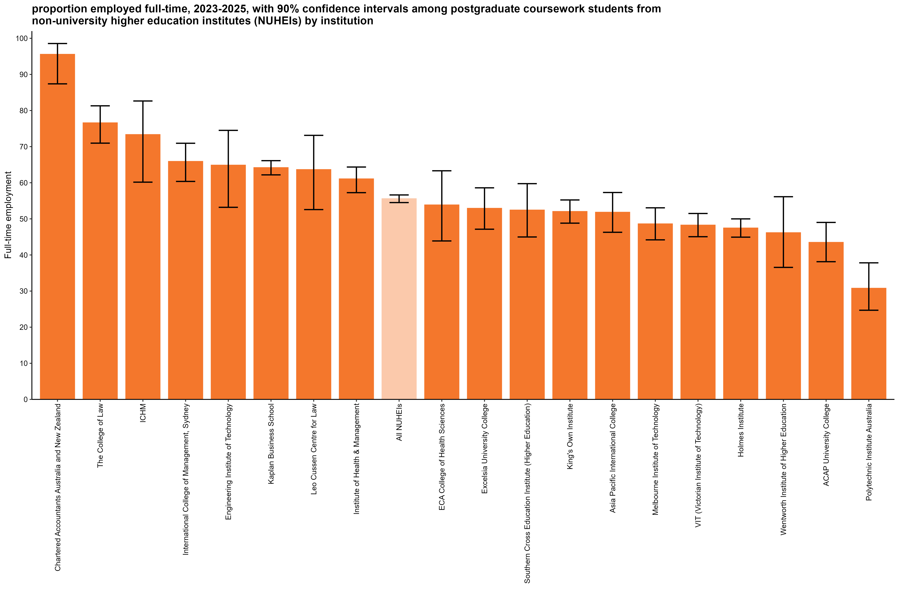
Proportion employed full-time, 2023-2025, with 90% confidence intervals among postgraduate coursework students from non-university higher education institutes (NUHEIs) by institution
Back to INDEX

 |  | Full-time employment rate
 | Chartered Accountants Australia and New Zealand | 95.6 (87.4, 98.6)
 | The College of Law | 76.6 (71.0, 81.3)
 | ICHM | 73.3 (60.2, 82.6)
 | International College of Management, Sydney | 65.9 (60.4, 70.9)
 | Engineering Institute of Technology | 64.9 (53.2, 74.5)
 | Kaplan Business School | 64.2 (62.2, 66.1)
 | Leo Cussen Centre for Law | 63.6 (52.6, 73.1)
 | Institute of Health & Management | 61.1 (57.3, 64.4)
 | All NUHEIs | 55.6 (54.5, 56.6)
 | ECA College of Health Sciences | 53.8 (43.9, 63.3)
 | Excelsia University College | 52.9 (47.1, 58.6)
 | Southern Cross Education Institute (Higher Education) | 52.4 (45.0, 59.7)
 | King's Own Institute | 52.0 (48.8, 55.2)
 | Asia Pacific International College | 51.8 (46.3, 57.3)
 | Melbourne Institute of Technology | 48.6 (44.2, 53.1)
 | VIT (Victorian Institute of Technology) | 48.3 (45.1, 51.5)
 | Holmes Institute | 47.5 (44.9, 50.0)
 | Wentworth Institute of Higher Education | 46.2 (36.6, 56.1)
 | ACAP University College | 43.5 (38.1, 49.0)
 | Polytechnic Institute Australia | 30.8 (24.7, 37.8)
 | Academies Australasia Polytechnic
 | Academy of Interactive Technology
 | Acknowledge Education | n/a
 | Adelaide Central School of Art
 | Adelaide Institute of Higher Education | n/a
 | Alphacrucis University College | n/a
 | Australasian College of Health and Wellness
 | Australian Academy of Music and Performing Arts | n/a
 | Australian Chiropractic College
 | Australian College of Christian Studies
 | Australian College of Nursing | n/a
 | Australian Institute of Business | n/a
 | Australian Institute of Higher Education | n/a
 | Australian Institute of Management Education & Training | n/a
 | Australian Institute of Professional Counsellors
 | Australian Performing Arts Conservatory
 | Australian University College of Divinity | n/a
 | Australian University of Theology* | n/a
 | BPP Institute | n/a
 | Box Hill Institute
 | Campion College Australia
 | Chisholm Institute
 | Christian Heritage College | n/a
 | Collarts (Australian College of the Arts)
 | Crown Institute of Higher Education
 | Eastern College Australia
 | Edvantage Institute Australia
 | Endeavour College of Natural Health
 | Equals International
 | Gestalt Therapy Brisbane
 | Governance Institute of Australia
 | HEPCO The Tax Institute Higher Education | n/a
 | Health Education & Training Institute
 | Higher Education Leadership Institute | n/a
 | Holmesglen Institute | n/a
 | ISN Psychology
 | Ikon Institute of Australia
 | Jazz Music Institute
 | Kaplan Professional | n/a
 | LCI Melbourne
 | Leaders Institute
 | Lyons College | n/a
 | Marcus Oldham College
 | Melbourne Polytechnic | n/a
 | Moore Theological College
 | Morling College | n/a
 | Nan Tien Institute | n/a
 | National Art School
 | National Institute of Organisation Dynamics Aust
 | Ozford Institute of Higher Education | n/a
 | Perth Bible College
 | Photography Studies College (Melbourne)
 | SAE University College
 | SP Jain School of Management
 | Sheridan Institute of Higher Education | n/a
 | Stanley College
 | Sydney Institute of Higher Education | n/a
 | Sydney International School of Technology and Commerce | n/a
 | TAFE NSW
 | TAFE Queensland
 | TAFE South Australia
 | Tabor College of Higher Education
 | The Australian College of Physical Education
 | The Australian Guild of Music Education
 | The Australian Institute of Music | n/a
 | The Cairnmillar Institute | n/a
 | The Institute of Creative Arts and Technology
 | The Institute of Internal Auditors - Australia
 | The Institute of International Studies (TIIS) | n/a
 | The MIECAT Institute
 | The Metavision Institute
 | UOW College
 | Universal Higher Education
 | Whitehouse Institute of Design, Australia
 | William Angliss Institute | n/a

Column variables:
AVAILFT
FULLEMP
YEAR

Column filters:
AVAILFT =1

Column notes:
The Agresti-Coull method is used to calculate 90% confidence intervals for proportions.
Estimates and confidence intervals (CIs) may become unreliable for very small sample sizes and proportions close to 0% or 100%.
CIs are not displayed when estimates are 0% or 100% or fall outside the CI range. Exercise caution when reporting and comparing proportions in these cases.
Bootstrapping on the median is used to estimate 90% confidence intervals for median salary.
Data for all columns is filtered to: ANALYSIS = 1, Postgraduate coursework: LEVEL = 2, NUHEI: HEPTYPE = 2, e942 = 1

Row variables:
E306

Row notes:
*The Australian College of Theology changed provider status from NUHEI to University after the commencement of the 2025 GOS collection. It is now known as the Australian University of Theology and will be reported as a University as of the 2026 GOS.

SAL_UG_UNI_3YP_INST_FIG
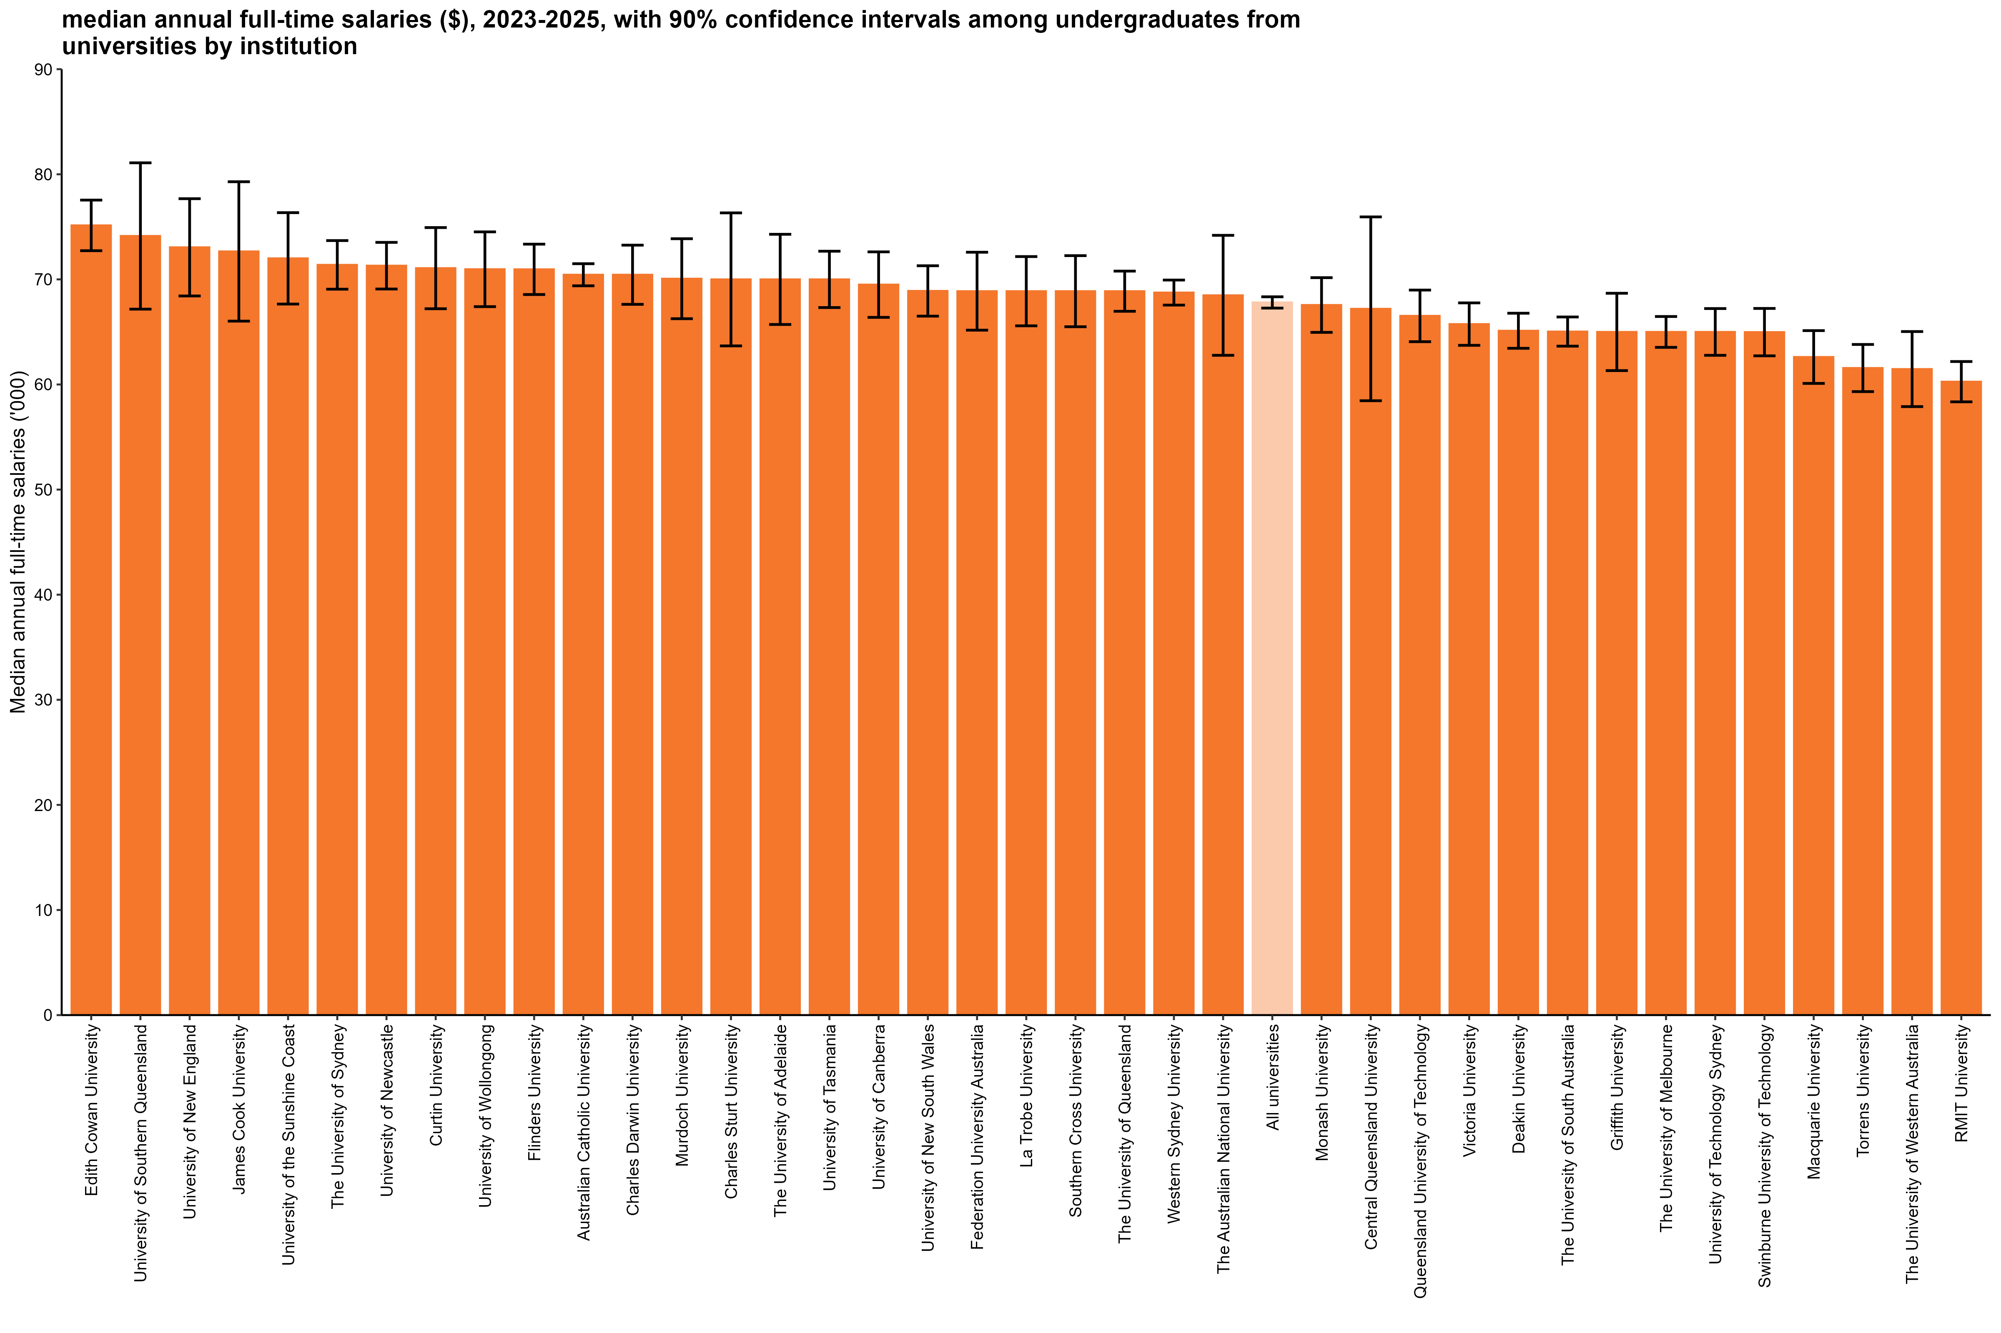
Median annual full-time salaries ($), 2023-2025, with 90% confidence intervals among undergraduates from universities by institution
Back to INDEX

 |  | Median annual full-time salaries ($)
 | Edith Cowan University | 75,100 (72,700, 77,500)
 | University of Southern Queensland | 74,100 (67,200, 81,100)
 | University of New England | 73,100 (68,400, 77,700)
 | James Cook University | 72,700 (66,000, 79,300)
 | University of the Sunshine Coast | 72,000 (67,700, 76,300)
 | The University of Sydney | 71,400 (69,100, 73,700)
 | University of Newcastle | 71,300 (69,100, 73,500)
 | Curtin University | 71,100 (67,200, 74,900)
 | University of Wollongong | 71,000 (67,400, 74,500)
 | Flinders University | 71,000 (68,600, 73,400)
 | Australian Catholic University | 70,400 (69,400, 71,500)
 | Charles Darwin University | 70,400 (67,600, 73,300)
 | Murdoch University | 70,100 (66,300, 73,900)
 | Charles Sturt University | 70,000 (63,700, 76,300)
 | The University of Adelaide | 70,000 (65,700, 74,300)
 | University of Tasmania | 70,000 (67,300, 72,700)
 | University of Canberra | 69,500 (66,400, 72,600)
 | University of New South Wales | 68,900 (66,500, 71,300)
 | Federation University Australia | 68,900 (65,200, 72,600)
 | La Trobe University | 68,900 (65,600, 72,200)
 | Southern Cross University | 68,900 (65,500, 72,300)
 | The University of Queensland | 68,900 (67,000, 70,800)
 | Western Sydney University | 68,700 (67,600, 69,900)
 | The Australian National University | 68,500 (62,800, 74,200)
 | All universities | 67,800 (67,300, 68,300)
 | Monash University | 67,600 (65,000, 70,200)
 | Central Queensland University | 67,200 (58,500, 75,900)
 | Queensland University of Technology | 66,500 (64,100, 69,000)
 | Victoria University | 65,700 (63,700, 67,800)
 | Deakin University | 65,100 (63,400, 66,800)
 | The University of South Australia | 65,000 (63,600, 66,400)
 | Griffith University | 65,000 (61,300, 68,700)
 | The University of Melbourne | 65,000 (63,500, 66,500)
 | University of Technology Sydney | 65,000 (62,800, 67,200)
 | Swinburne University of Technology | 65,000 (62,700, 67,200)
 | Macquarie University | 62,600 (60,100, 65,100)
 | Torrens University | 61,600 (59,300, 63,800)
 | The University of Western Australia | 61,500 (57,900, 65,000)
 | RMIT University | 60,300 (58,300, 62,200)
 | Avondale University | n/a
 | Bond University | n/a
 | The University of Notre Dame Australia | n/a
 | University of Divinity

Column variables:
FULLEMP
SALARYA
TRIMSAL_ALL
YEAR

Column filters:
FULLEMP = 1
TRIMSAL_ALL = 1

Column notes:
The Agresti-Coull method is used to calculate 90% confidence intervals for proportions.
Estimates and confidence intervals (CIs) may become unreliable for very small sample sizes and proportions close to 0% or 100%.
CIs are not displayed when estimates are 0% or 100% or fall outside the CI range. Exercise caution when reporting and comparing proportions in these cases.
Bootstrapping on the median is used to estimate 90% confidence intervals for median salary.
Data for all columns is filtered to: ANALYSIS = 1, Undergraduate: LEVEL = 1, University: HEPTYPE = 1, e942 = 1

Row variables:
E306

SAL_PGC_UNI_3YP_INST_FIG
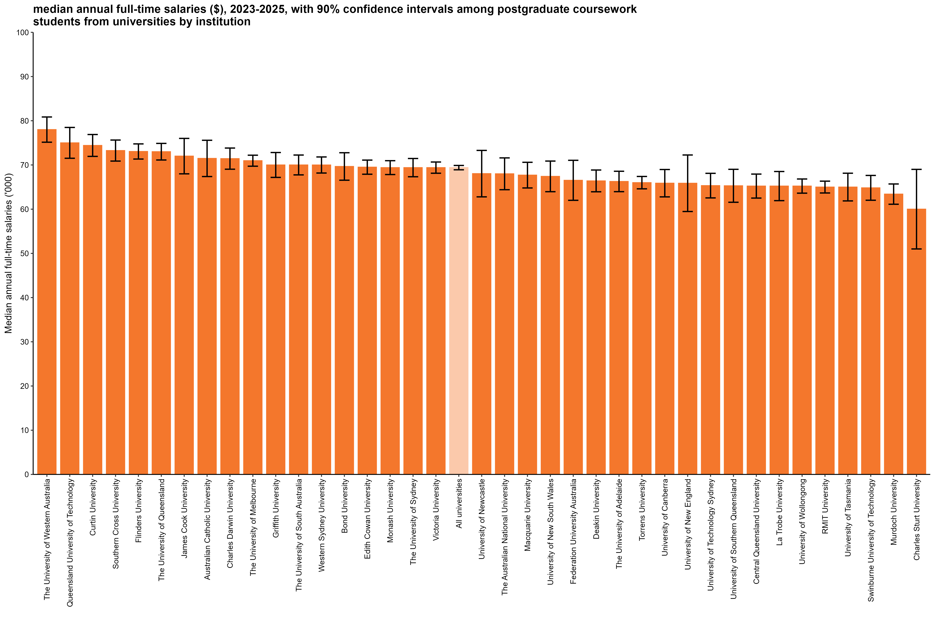
Median annual full-time salaries ($), 2023-2025, with 90% confidence intervals among postgraduate coursework students from universities by institution
Back to INDEX

 |  | Median annual full-time salaries ($)
 | The University of Western Australia | 78,000 (75,100, 80,900)
 | Queensland University of Technology | 75,000 (71,500, 78,500)
 | Curtin University | 74,400 (71,900, 76,900)
 | Southern Cross University | 73,300 (70,900, 75,600)
 | Flinders University | 73,100 (71,300, 74,800)
 | The University of Queensland | 73,000 (71,100, 74,900)
 | James Cook University | 72,000 (68,000, 76,000)
 | Australian Catholic University | 71,500 (67,400, 75,600)
 | Charles Darwin University | 71,400 (69,000, 73,800)
 | The University of Melbourne | 71,000 (69,700, 72,200)
 | Griffith University | 70,000 (67,200, 72,800)
 | The University of South Australia | 70,000 (67,800, 72,200)
 | Western Sydney University | 70,000 (68,200, 71,800)
 | Bond University | 69,700 (66,600, 72,800)
 | Edith Cowan University | 69,500 (67,900, 71,100)
 | Monash University | 69,400 (67,800, 71,000)
 | The University of Sydney | 69,400 (67,300, 71,500)
 | Victoria University | 69,400 (68,100, 70,700)
 | All universities | 69,400 (68,900, 69,900)
 | University of Newcastle | 68,000 (62,800, 73,300)
 | The Australian National University | 68,000 (64,400, 71,600)
 | Macquarie University | 67,700 (64,800, 70,600)
 | University of New South Wales | 67,400 (64,000, 70,900)
 | Federation University Australia | 66,500 (62,000, 71,100)
 | Deakin University | 66,400 (63,900, 68,900)
 | The University of Adelaide | 66,300 (64,000, 68,600)
 | Torrens University | 66,000 (64,600, 67,400)
 | University of Canberra | 65,900 (62,800, 69,000)
 | University of New England | 65,900 (59,500, 72,300)
 | University of Technology Sydney | 65,300 (62,500, 68,100)
 | University of Southern Queensland | 65,300 (61,600, 69,000)
 | Central Queensland University | 65,200 (62,500, 67,900)
 | La Trobe University | 65,200 (61,900, 68,500)
 | University of Wollongong | 65,200 (63,600, 66,800)
 | RMIT University | 65,000 (63,700, 66,300)
 | University of Tasmania | 65,000 (61,900, 68,100)
 | Swinburne University of Technology | 64,800 (62,000, 67,600)
 | Murdoch University | 63,400 (61,100, 65,700)
 | Charles Sturt University | 60,000 (51,000, 69,000)
 | Avondale University | n/a
 | The University of Notre Dame Australia | n/a
 | University of Divinity | n/a
 | University of the Sunshine Coast | n/a

Column variables:
FULLEMP
SALARYA
TRIMSAL_ALL
YEAR

Column filters:
FULLEMP = 1
TRIMSAL_ALL = 1

Column notes:
The Agresti-Coull method is used to calculate 90% confidence intervals for proportions.
Estimates and confidence intervals (CIs) may become unreliable for very small sample sizes and proportions close to 0% or 100%.
CIs are not displayed when estimates are 0% or 100% or fall outside the CI range. Exercise caution when reporting and comparing proportions in these cases.
Bootstrapping on the median is used to estimate 90% confidence intervals for median salary.
Data for all columns is filtered to: ANALYSIS = 1, Postgraduate coursework: LEVEL = 2, University: HEPTYPE = 1, e942 = 1

Row variables:
E306

SAL_PGR_UNI_3YP_INST_FIG
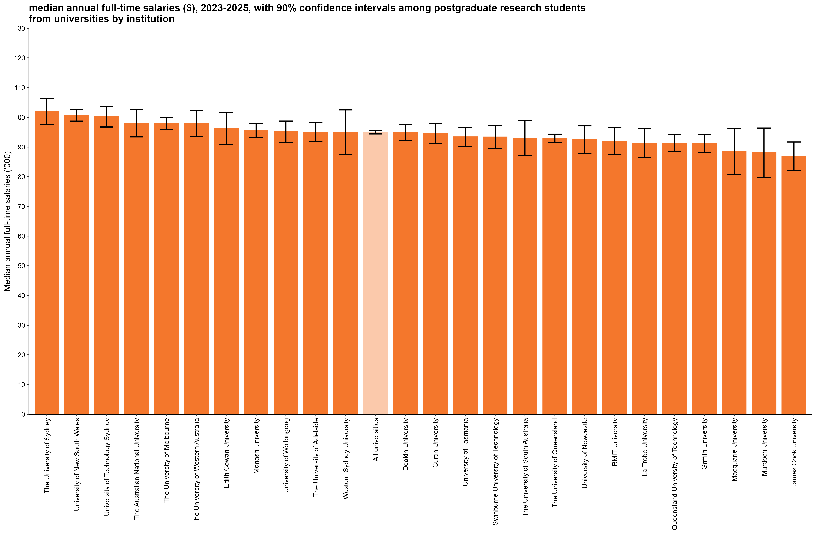
Median annual full-time salaries ($), 2023-2025, with 90% confidence intervals among postgraduate research students from universities by institution
Back to INDEX

 |  | Median annual full-time salaries ($)
 | The University of Sydney | 102,000 (97,600, 106,400)
 | University of New South Wales | 100,700 (98,800, 102,600)
 | University of Technology Sydney | 100,200 (96,800, 103,600)
 | The Australian National University | 98,000 (93,400, 102,700)
 | The University of Melbourne | 98,000 (96,000, 100,000)
 | The University of Western Australia | 98,000 (93,600, 102,400)
 | Edith Cowan University | 96,300 (90,800, 101,700)
 | Monash University | 95,600 (93,200, 97,900)
 | University of Wollongong | 95,200 (91,600, 98,800)
 | The University of Adelaide | 95,000 (91,800, 98,200)
 | Western Sydney University | 95,000 (87,500, 102,500)
 | All universities | 95,000 (94,400, 95,600)
 | Deakin University | 94,800 (92,200, 97,500)
 | Curtin University | 94,500 (91,200, 97,800)
 | University of Tasmania | 93,500 (90,300, 96,600)
 | Swinburne University of Technology | 93,400 (89,600, 97,300)
 | The University of South Australia | 93,000 (87,200, 98,800)
 | The University of Queensland | 92,900 (91,600, 94,300)
 | University of Newcastle | 92,500 (87,900, 97,100)
 | RMIT University | 92,000 (87,500, 96,500)
 | La Trobe University | 91,300 (86,400, 96,200)
 | Queensland University of Technology | 91,300 (88,400, 94,200)
 | Griffith University | 91,200 (88,200, 94,200)
 | Macquarie University | 88,500 (80,700, 96,300)
 | Murdoch University | 88,100 (79,800, 96,400)
 | James Cook University | 86,900 (82,100, 91,700)
 | Australian Catholic University | n/a
 | Avondale University
 | Bond University | n/a
 | Central Queensland University | n/a
 | Charles Darwin University | n/a
 | Charles Sturt University | n/a
 | Federation University Australia | n/a
 | Flinders University | n/a
 | Southern Cross University | n/a
 | The University of Notre Dame Australia
 | Torrens University | n/a
 | University of Canberra | n/a
 | University of Divinity
 | University of New England | n/a
 | University of Southern Queensland | n/a
 | University of the Sunshine Coast | n/a
 | Victoria University | n/a

Column variables:
FULLEMP
SALARYA
TRIMSAL_ALL
YEAR

Column filters:
FULLEMP = 1
TRIMSAL_ALL = 1

Column notes:
The Agresti-Coull method is used to calculate 90% confidence intervals for proportions.
Estimates and confidence intervals (CIs) may become unreliable for very small sample sizes and proportions close to 0% or 100%.
CIs are not displayed when estimates are 0% or 100% or fall outside the CI range. Exercise caution when reporting and comparing proportions in these cases.
Bootstrapping on the median is used to estimate 90% confidence intervals for median salary.
Data for all columns is filtered to: ANALYSIS = 1, Postgraduate research: LEVEL = 3, University: HEPTYPE = 1, e942 = 1

Row variables:
E306

SAL_UG_NUHEI_3YP_INST_FIG
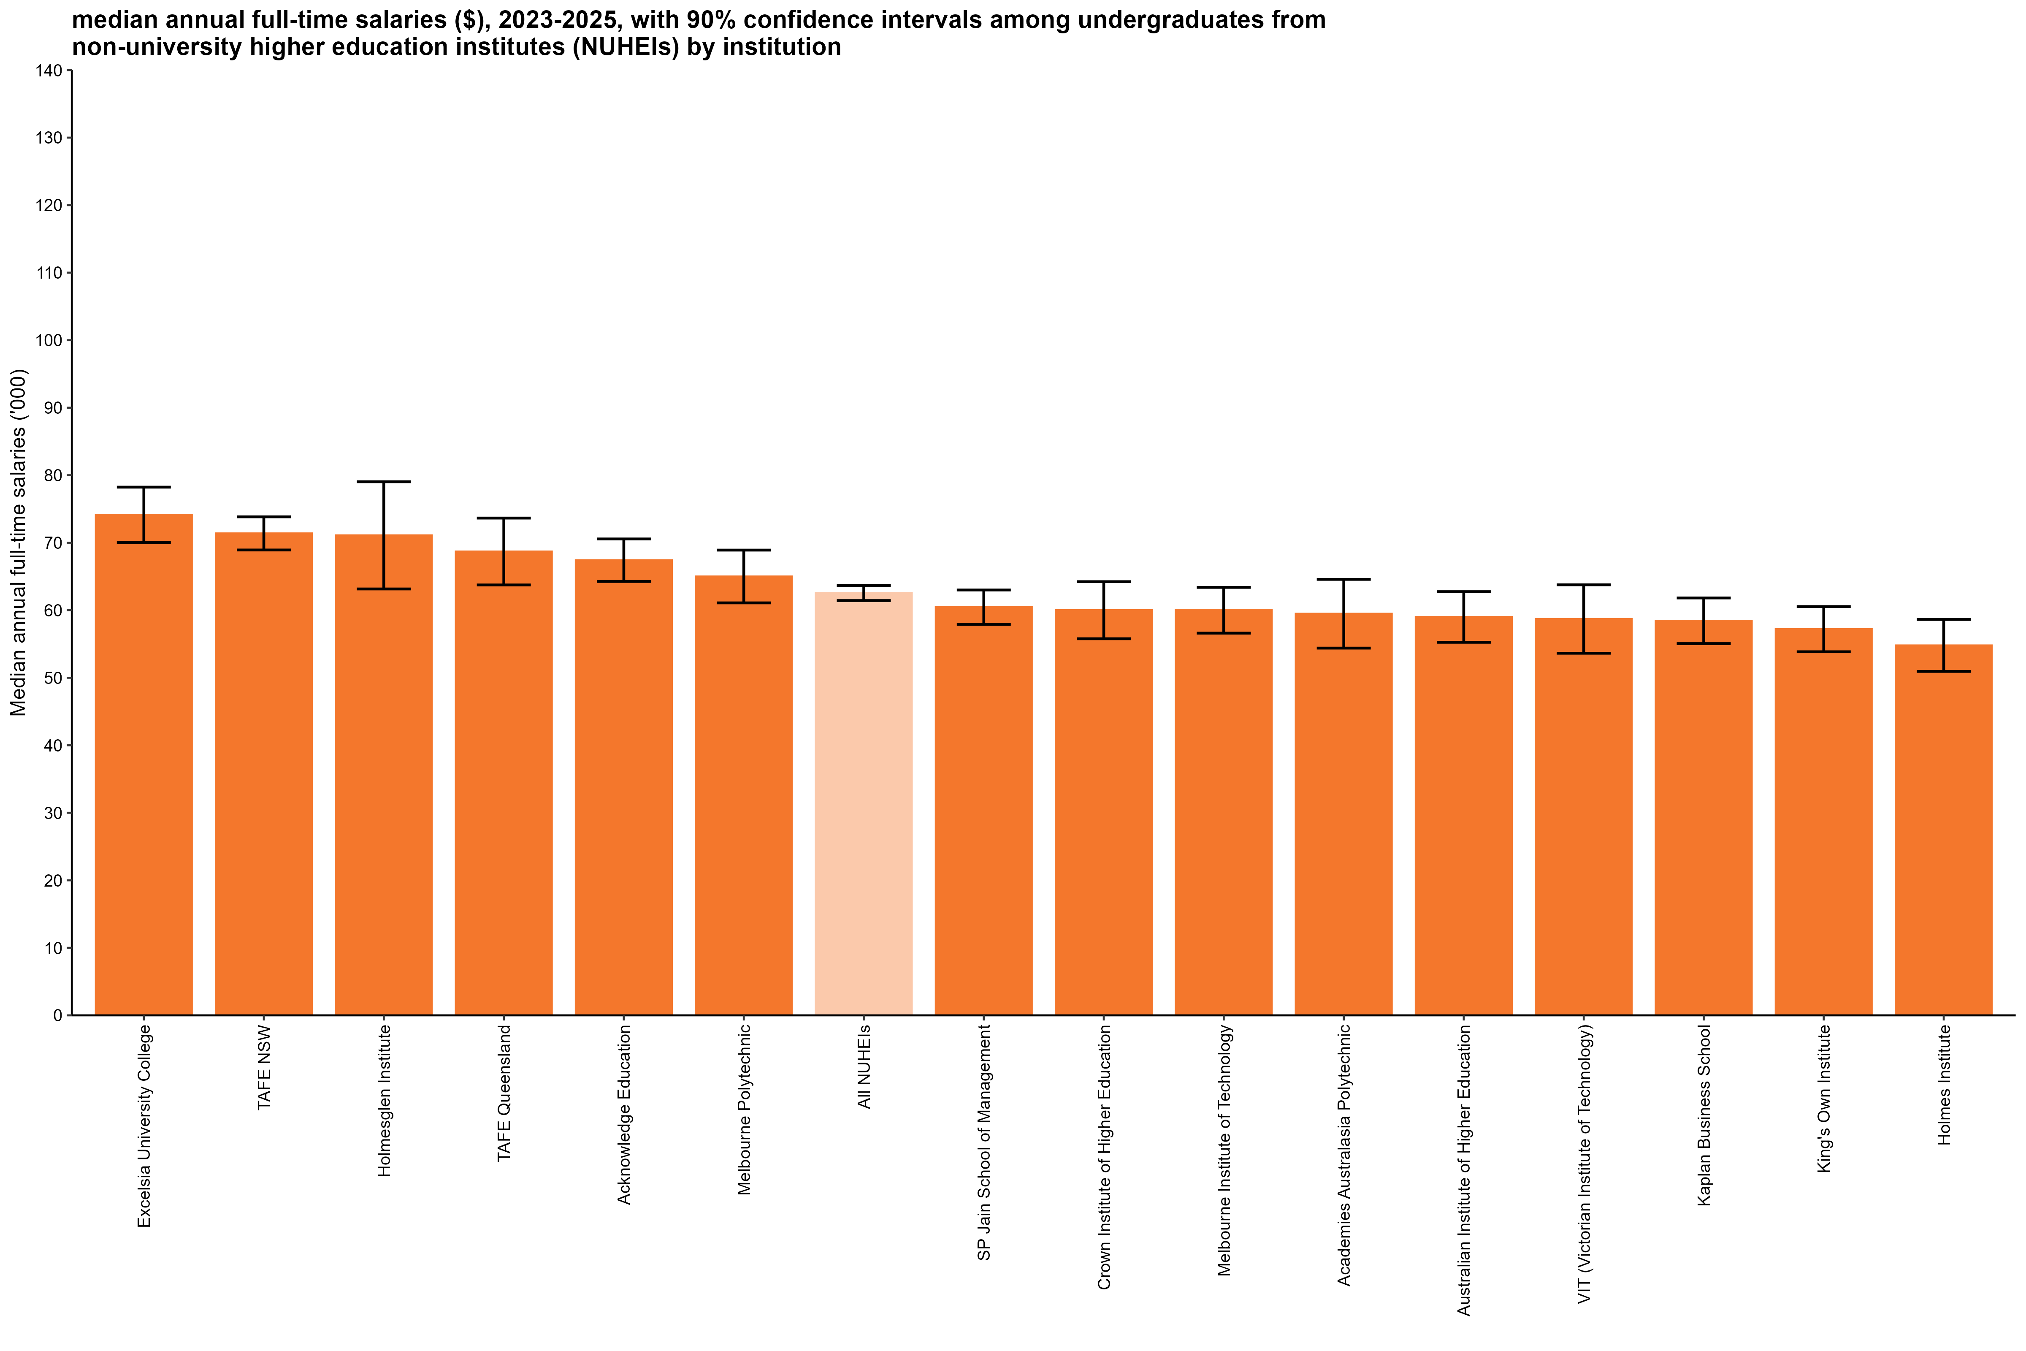
Median annual full-time salaries ($), 2023-2025, with 90% confidence intervals among undergraduates from non-university higher education institutes (NUHEIs) by institution
Back to INDEX

 |  | Median annual full-time salaries ($)
 | Excelsia University College | 74,100 (70,000, 78,200)
 | TAFE NSW | 71,400 (68,900, 73,800)
 | Holmesglen Institute | 71,100 (63,200, 79,000)
 | TAFE Queensland | 68,700 (63,700, 73,700)
 | Acknowledge Education | 67,400 (64,300, 70,600)
 | Melbourne Polytechnic | 65,000 (61,100, 68,900)
 | All NUHEIs | 62,600 (61,400, 63,700)
 | SP Jain School of Management | 60,500 (57,900, 63,000)
 | Crown Institute of Higher Education | 60,000 (55,800, 64,200)
 | Melbourne Institute of Technology | 60,000 (56,600, 63,400)
 | Academies Australasia Polytechnic | 59,500 (54,400, 64,600)
 | Australian Institute of Higher Education | 59,000 (55,300, 62,700)
 | VIT (Victorian Institute of Technology) | 58,700 (53,600, 63,800)
 | Kaplan Business School | 58,400 (55,100, 61,800)
 | King's Own Institute | 57,200 (53,900, 60,500)
 | Holmes Institute | 54,800 (50,900, 58,600)
 | ACAP University College | n/a
 | Academy of Interactive Technology | n/a
 | Adelaide Central School of Art
 | Adelaide Institute of Higher Education | n/a
 | Alphacrucis University College | n/a
 | Asia Pacific International College | n/a
 | Australasian College of Health and Wellness
 | Australian Academy of Music and Performing Arts
 | Australian Chiropractic College
 | Australian College of Christian Studies | n/a
 | Australian College of Nursing
 | Australian Institute of Business
 | Australian Institute of Management Education & Training
 | Australian Institute of Professional Counsellors
 | Australian Performing Arts Conservatory
 | Australian University College of Divinity | n/a
 | Australian University of Theology*
 | BPP Institute | n/a
 | Box Hill Institute | n/a
 | Campion College Australia
 | Chartered Accountants Australia and New Zealand
 | Chisholm Institute | n/a
 | Christian Heritage College | n/a
 | Collarts (Australian College of the Arts)
 | ECA College of Health Sciences
 | Eastern College Australia
 | Edvantage Institute Australia
 | Endeavour College of Natural Health | n/a
 | Engineering Institute of Technology | n/a
 | Equals International | n/a
 | Gestalt Therapy Brisbane
 | Governance Institute of Australia
 | HEPCO The Tax Institute Higher Education
 | Health Education & Training Institute
 | Higher Education Leadership Institute
 | ICHM | n/a
 | ISN Psychology
 | Ikon Institute of Australia | n/a
 | Institute of Health & Management
 | International College of Management, Sydney | n/a
 | Jazz Music Institute
 | Kaplan Professional
 | LCI Melbourne
 | Leaders Institute | n/a
 | Leo Cussen Centre for Law
 | Lyons College | n/a
 | Marcus Oldham College | n/a
 | Moore Theological College
 | Morling College
 | Nan Tien Institute
 | National Art School
 | National Institute of Organisation Dynamics Aust
 | Ozford Institute of Higher Education
 | Perth Bible College | n/a
 | Photography Studies College (Melbourne)
 | Polytechnic Institute Australia | n/a
 | SAE University College | n/a
 | Sheridan Institute of Higher Education | n/a
 | Southern Cross Education Institute (Higher Education) | n/a
 | Stanley College | n/a
 | Sydney Institute of Higher Education
 | Sydney International School of Technology and Commerce | n/a
 | TAFE South Australia | n/a
 | Tabor College of Higher Education
 | The Australian College of Physical Education
 | The Australian Guild of Music Education
 | The Australian Institute of Music | n/a
 | The Cairnmillar Institute
 | The College of Law
 | The Institute of Creative Arts and Technology | n/a
 | The Institute of Internal Auditors - Australia
 | The Institute of International Studies (TIIS)
 | The MIECAT Institute
 | The Metavision Institute
 | UOW College
 | Universal Higher Education | n/a
 | Wentworth Institute of Higher Education | n/a
 | Whitehouse Institute of Design, Australia | n/a
 | William Angliss Institute | n/a

Column variables:
FULLEMP
SALARYA
TRIMSAL_ALL
YEAR

Column filters:
FULLEMP = 1
TRIMSAL_ALL = 1

Column notes:
The Agresti-Coull method is used to calculate 90% confidence intervals for proportions.
Estimates and confidence intervals (CIs) may become unreliable for very small sample sizes and proportions close to 0% or 100%.
CIs are not displayed when estimates are 0% or 100% or fall outside the CI range. Exercise caution when reporting and comparing proportions in these cases.
Bootstrapping on the median is used to estimate 90% confidence intervals for median salary.
Data for all columns is filtered to: ANALYSIS = 1, Undergraduate: LEVEL = 1, NUHEI: HEPTYPE = 2, e942 = 1

Row variables:
E306

Row notes:
*The Australian College of Theology changed provider status from NUHEI to University after the commencement of the 2025 GOS collection. It is now known as the Australian University of Theology and will be reported as a University as of the 2026 GOS.

